Cover
732
HEALTHCARE HR ANALYTICS REPORT

Insights
1. Majority of the Employee has Bachelors Degree which contributed to about 40% of the total Employee

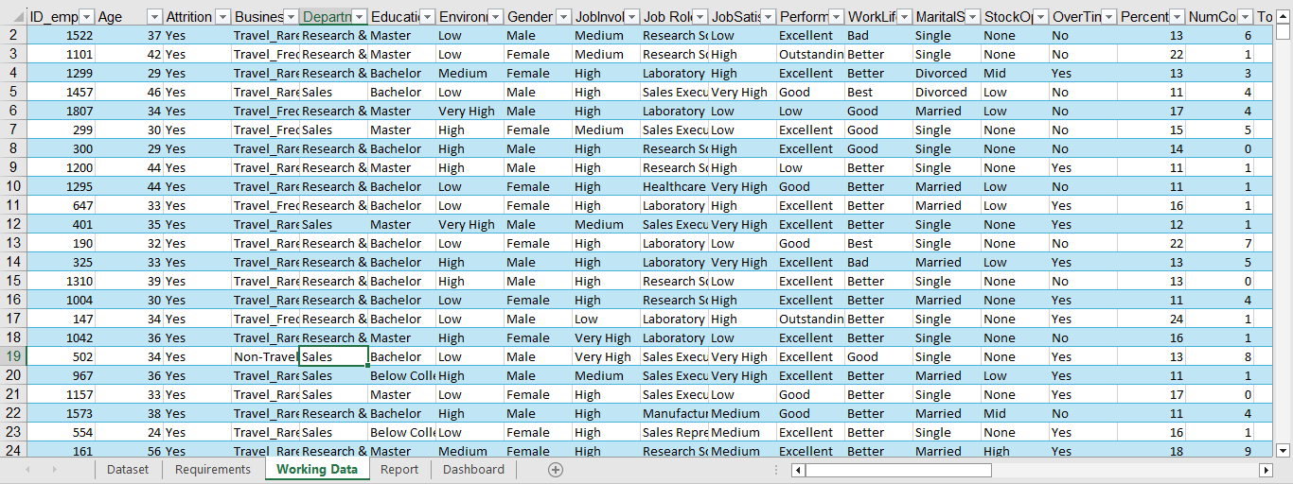
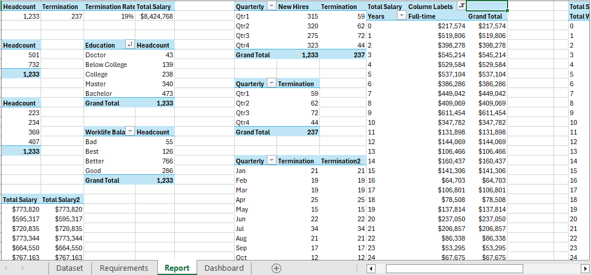
2. Majority of the Employee are Satisfied with their Job which compared to low satisfaction

3. Almost all the Employee are enjoying a Better work life Balance

4. The Total Employee Count is 1470
5. The Current Employee Headcount is 1233

1. Clean Data from Raw Data
3. Pivot Table
6. The Total Number of Employee Terminated is 237
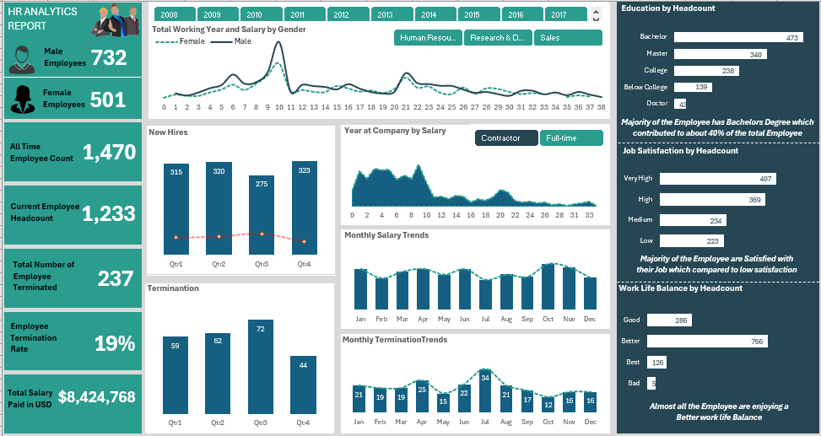

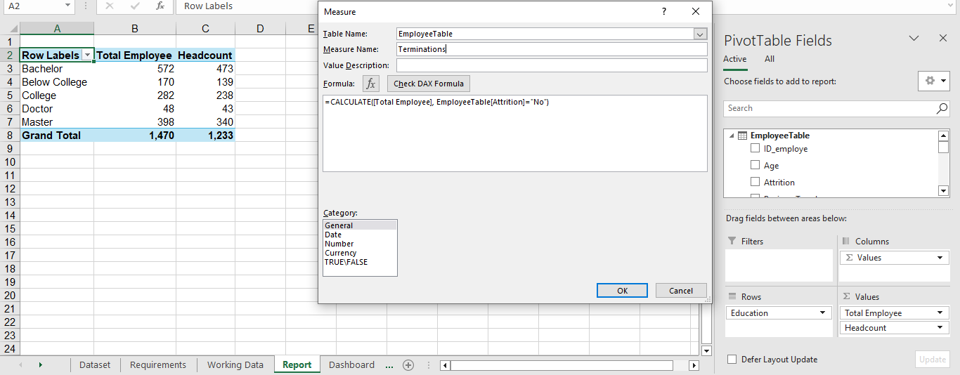
7. The Total Salary Paid in USD $8, 424, 768



Designed By: Kasali Samson

2. Calculated DAX Measures
3. Data Visualization and Insights

This Photo by Unknown Author is licensed under CC BY-NC

This Photo by Unknown Author is licensed under CC BY-NC

Dashboard
HR ANALYTICS REPORT
732
Total Working Year and Salary by Gender
 | Female | Male
0 | $1,200
1 | $38,882 | $59,004
2 | $26,134 | $32,744
3 | $23,670 | $69,660
4 | $65,569 | $120,643
5 | $98,231 | $157,473
6 | $156,839 | $283,491
7 | $93,229 | $173,093
8 | $166,513 | $191,201
9 | $263,611 | $308,720
10 | $410,173 | $669,982
11 | $82,368 | $76,326
12 | $94,533 | $161,333
13 | $72,153 | $144,728
14 | $68,631 | $135,038
15 | $142,383 | $105,566
16 | $113,680 | $168,285
17 | $74,690 | $114,563
18 | $88,924 | $73,214
19 | $58,012 | $57,228
20 | $102,295 | $75,509
21 | $240,106 | $300,731
22 | $122,574 | $180,094
23 | $136,042 | $169,490
24 | $61,674 | $148,409
25 | $44,069 | $147,200
26 | $124,092 | $102,841
27 | $49,036 | $64,782
28 | $114,302 | $75,156
29 | $106,767 | $49,368
30 | $70,720 | $28,742
31 | $45,808 | $88,761
32 | $57,074 | $90,187
33 | $44,343 | $46,496
34 |  | $69,470
35 | $10,934 | $36,234
36 | $30,638 | $75,804
37 | $16,835 | $42,596
38 |  | $13,872
Education by Headcount
 | Total
Doctor | 43
Below College | 139
College | 238
Master | 340
Bachelor | 473

Male
Employees
732

501
Female
Employees

Majority of the Employee has Bachelors Degree which contributed to about 40% of the total Employee
New Hires
 | New Hires | Termination
Qtr1 | 315 | 59
Qtr2 | 320 | 62
Qtr3 | 275 | 72
Qtr4 | 323 | 44
Year at Company by Salary
 | Contractor
1 | $6,410
2 | $8,575
3 | $25,974
4 | $7,278
5 | $19,658
8 | $6,389
21 | $19,141
All Time
Employee Count
1,470
Job Satisfaction by Headcount
 | Total
Low | 223
Medium | 234
High | 369
Very High | 407

Current Employee Headcount
1,233

Monthly Salary Trends
 | Total Salary | Total Salary2
Jan | $773,820 | $773,820
Feb | $595,317 | $595,317
Mar | $720,835 | $720,835
Apr | $773,344 | $773,344
May | $664,550 | $664,550
Jun | $767,163 | $767,163
Jul | $564,350 | $564,350
Aug | $665,393 | $665,393
Sep | $619,990 | $619,990
Oct | $864,867 | $864,867
Nov | $802,624 | $802,624
Dec | $612,515 | $612,515

Total Number of Employee Terminated
237
Majority of the Employee are Satisfied with their Job which compared to low satisfaction

Terminantion
 | Total
Qtr1 | 59
Qtr2 | 62
Qtr3 | 72
Qtr4 | 44
Work Life Balance by Headcount
 | Total
Bad | 55
Best | 126
Better | 766
Good | 286

Employee Termination Rate
19%
Monthly TerminationTrends
 | Termination | Termination2
Jan | 21 | 21
Feb | 19 | 19
Mar | 19 | 19
Apr | 25 | 25
May | 15 | 15
Jun | 22 | 22
Jul | 34 | 34
Aug | 21 | 21
Sep | 17 | 17
Oct | 12 | 12
Nov | 16 | 16
Dec | 16 | 16

$8,424,768
Total Salary Paid in USD
Almost all the Employee are enjoying a Better work life Balance

